Sheet1
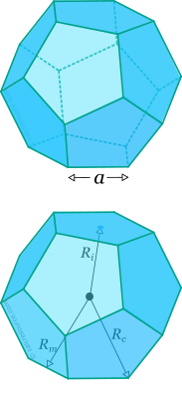
Dodecahedron calculations
symbol | description | formula | value | unit
n | number of LEDs per edge | n |  | []
l | length of 1 LED (144 LEDs/m) | l=1000/144 | 6.94 | [mm]
L | length of LED strip | (=n*l) |  | [mm]
a | length of outer edge | (=L + 2*b) |  | [mm]
b | extend of edge (one side) |  | 8.7 | [mm]
Rc | radius circumscribed sphere | (=1.401 * a) | 1.4012585384 | [mm]
Ri | radius inscribed sphere | (=1.114 * a) | 1.1135163644 | [mm]
Hc | height of dodecahedron (vertex) | (=2*Rc) |  | [mm] | (based on dodecahedron placed on a vertex: h=2*Rc)
Hi | height of dodecahedron (face) | (=2*Ri) |  | [mm] | (based on dodecahedron placed on a face: h=2*Ri)
w | width of edge cover (1 side) |  | 12 | [mm]

#LEDs | LED strip length [mm] | a [mm] | Hu [mm] | Hi [mm]
7 | 48.6 | 66.0 | 185.0 | 147.0
8 | 55.6 | 73.0 | 204.5 | 162.5
9 | 62.5 | 79.9 | 223.9 | 177.9
10 | 69.4 | 86.8 | 243.4 | 193.4

 |  | 37 | 103.7 | 82.4 |  | sources:
 |  |  |  |  |  | https://calcresource.com/solid-dodecahedron.html
 |  |  |  |  |  | https://en.wikipedia.org/wiki/Regular_dodecahedron

